Forest Pelmet
Language:
English

 |  | PELMET

V1.1
 | Amount of tracks = | 1 track

 | Straight track <> | 1 Bend
 | Bended track =
 | Shape track = | Shape L

D | Gap between | 1
 | curtains in cm =
A1 | Angle Left bend | 90 | FALSE
 | in degrees =
 |  |  | FALSE

>1< | Track 1

 | Type track = | FMS (Shuttle)

 | Pleat curtain <> | Wave curtain
 | Wave curtain = |  |  |  |  |  |  |  | Visible side
B1 | Radius bend | 20 cm |  | All dimensions |  |  |  |  |  | Distance between tracks*
 | in cm =
C | Wave depth | 16
 | in cm = |  |  |  |  | Left | (E1) | Centre | (E2) |  | Left | (E1) | Centre | (E2)

 |  |  |  |  |  |  |  |  |  |  | ▲ |  | ▲
 |  |  |  | D2 | Gap behind curtains | 4.6 |  | 4.6 | cm |  | 12.6 |  | 12.6 | cm
 |  |  |  |  |  |  |  |  |  |  | ▼ |  | ▼
 |  |  |  | C2 | Distance behind track | 8 |  | 8 | cm | >1<
 |  |  |  | C1 | Distance in front track | 8 |  | 8 | cm
 |  |  |  |  |  |  |  |  |  |  | ▲ |  | ▲
 |  |  |  | D1 | Gap in front curtains | 1 |  | 1 | cm |  | 9 |  | 9 | cm
 |  |  |  |  |  |  |  |  | + |  | ▼ |  | ▼ | +
 |  |  |  | E | Minimal space Pelmet | 21.6 |  | 21.6 | cm | E | 21.6 |  | 21.6 | cm

* = Distance measured from the center of the rail.
- No rights can be derived from this calculation tool.

 |  |  |  |  |  |  |  |  |  |  |  |  |  |  | 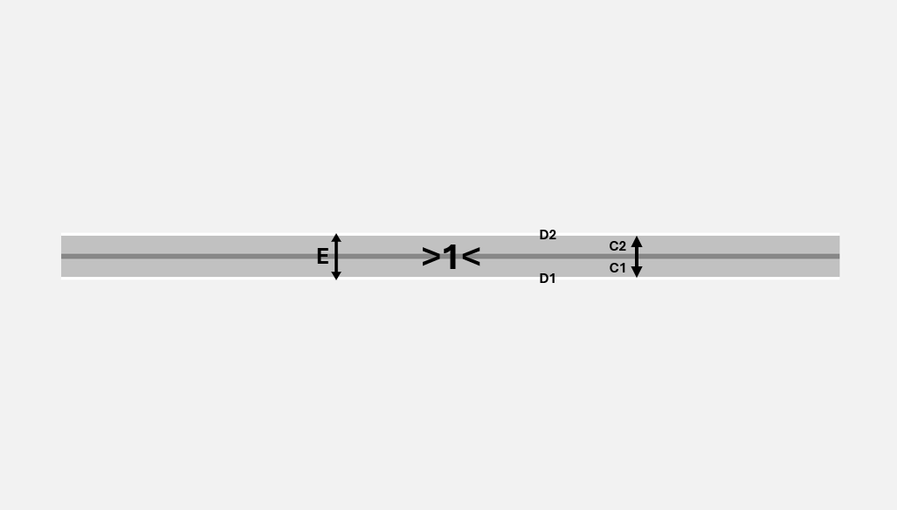 |  | 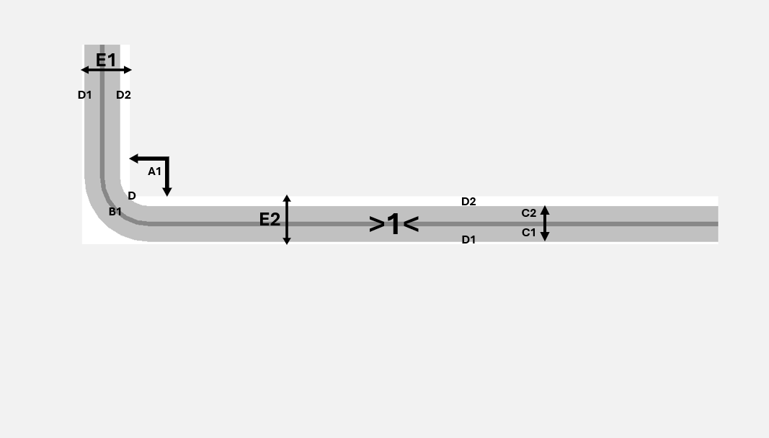 | 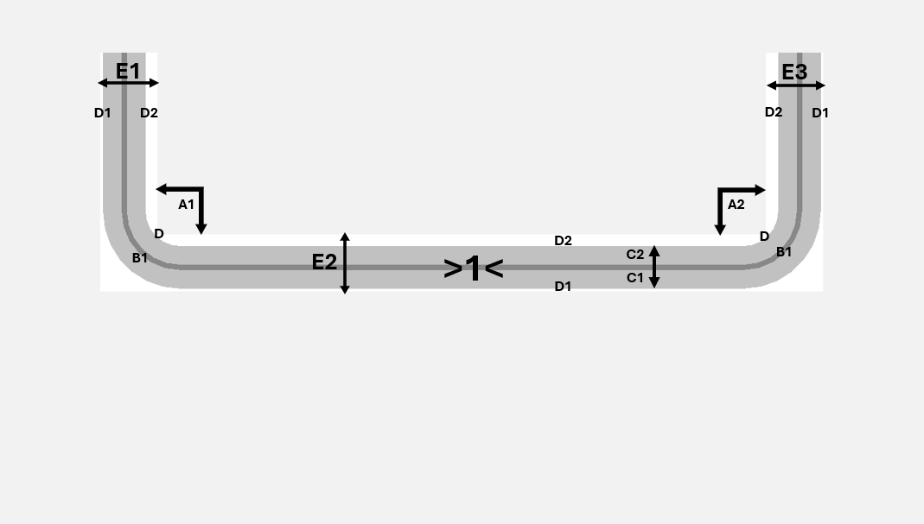
 |  |  |  |  |  |  |  |  |  |  |  |  |  |  | 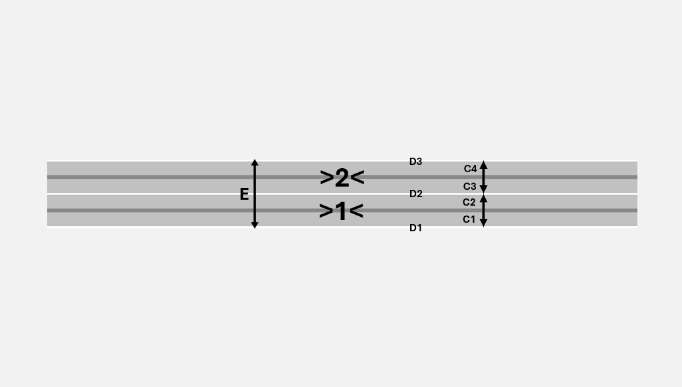 |  | 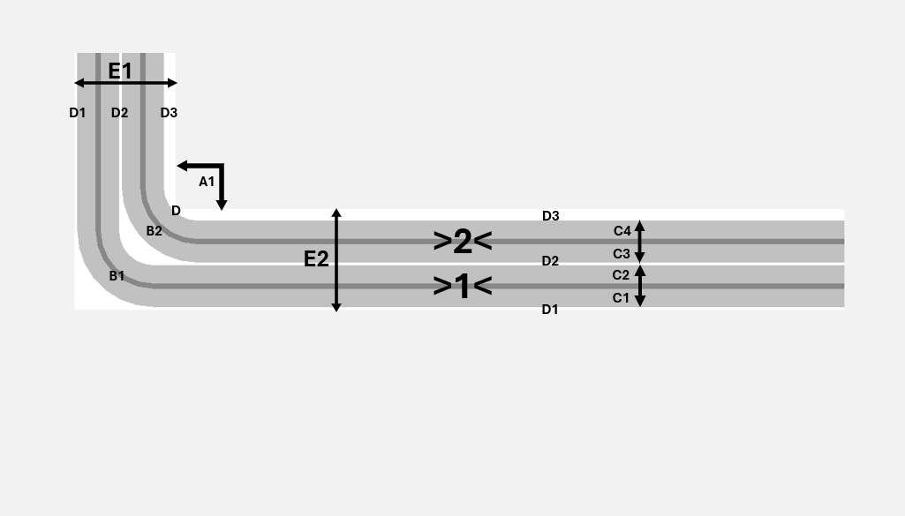 | 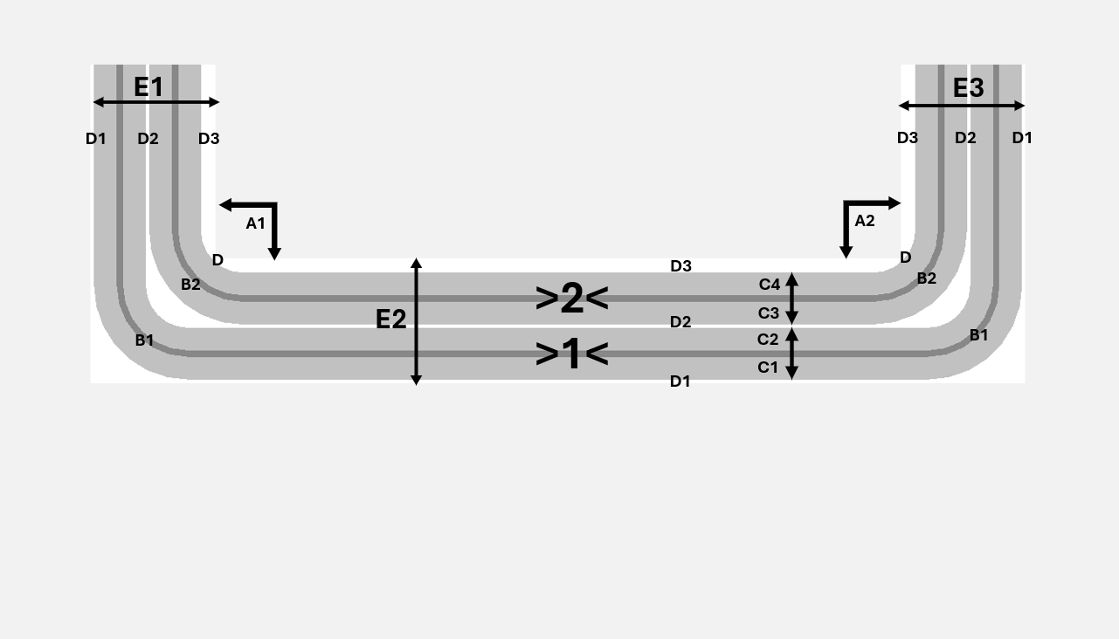
 |  |  |  |  |  |  |  |  |  |  |  |  |  |  | 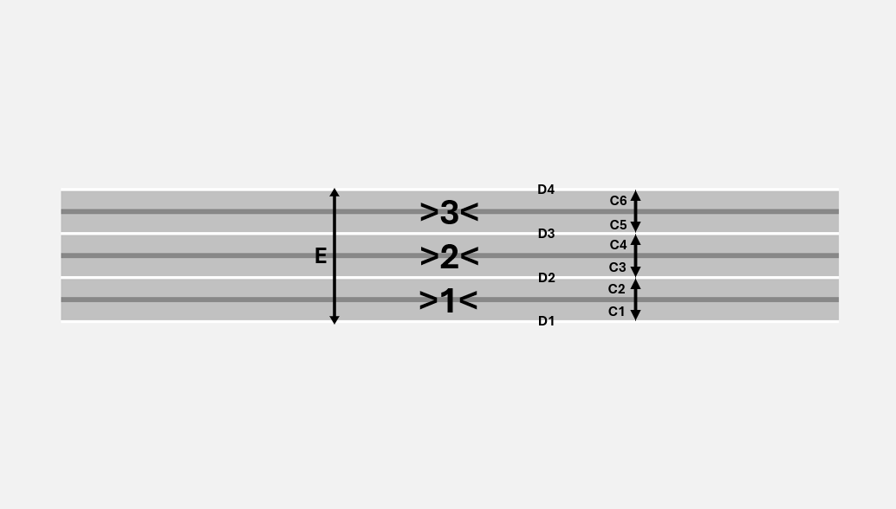 |  | 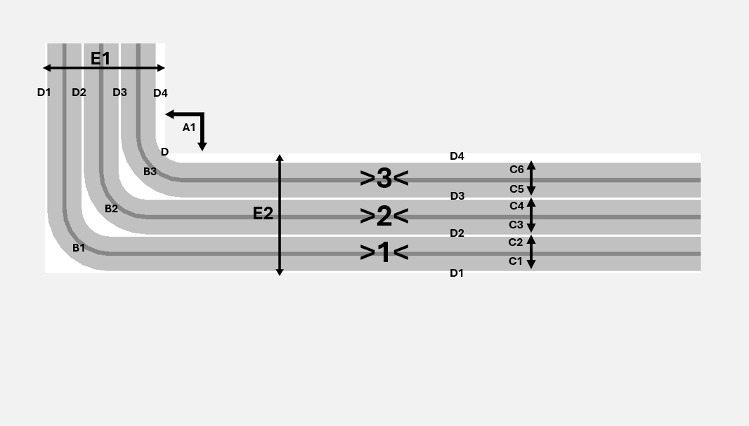 | 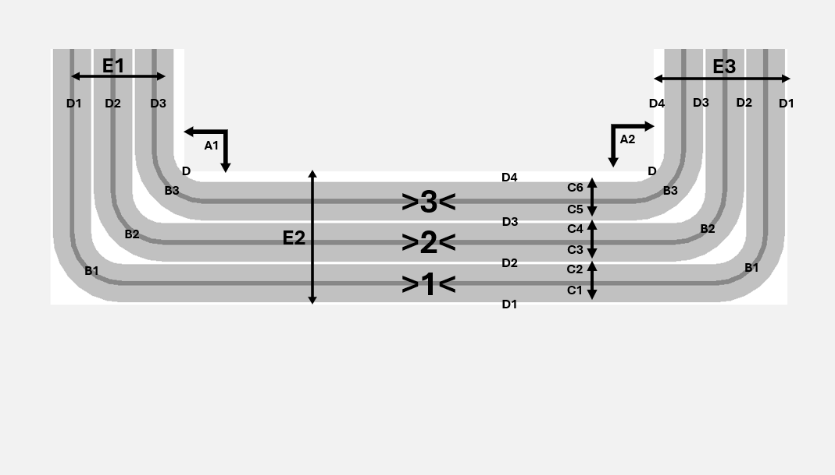
 |  |  |  |  |  |  |  |  |  |  |  |  |  |  |  |  | 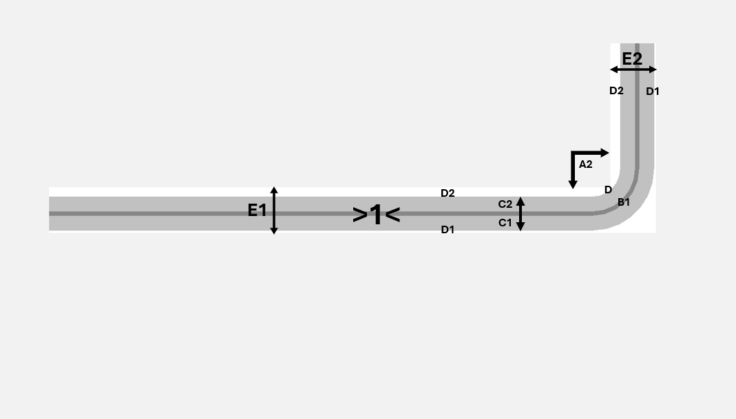 | 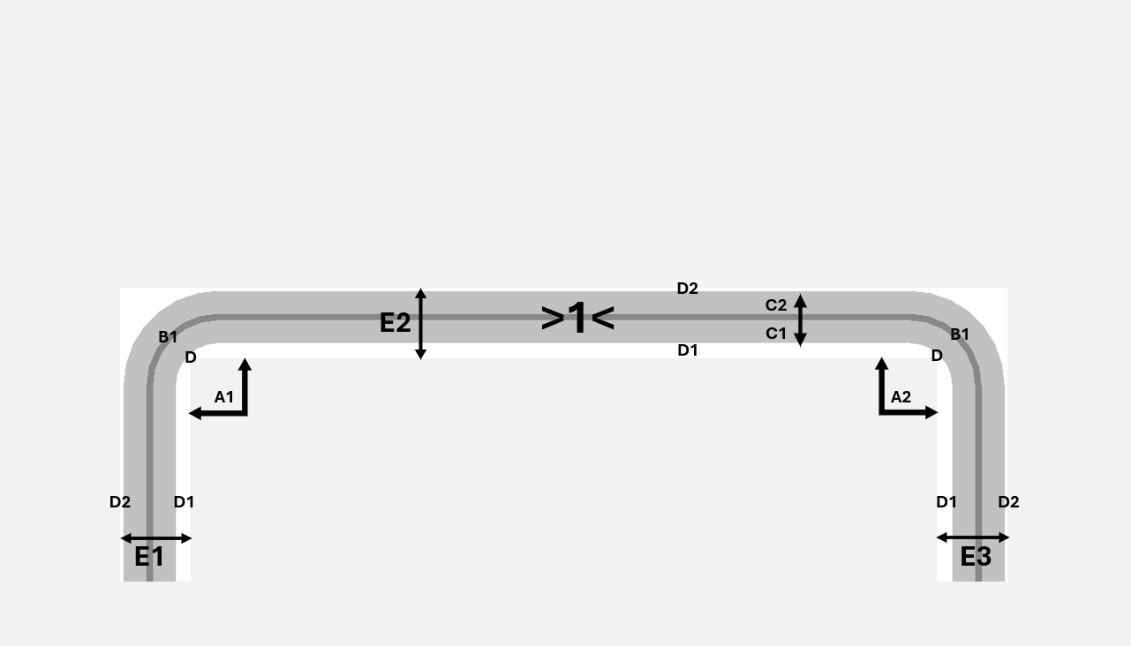
 |  |  |  |  |  |  |  |  |  |  |  |  |  |  |  |  | 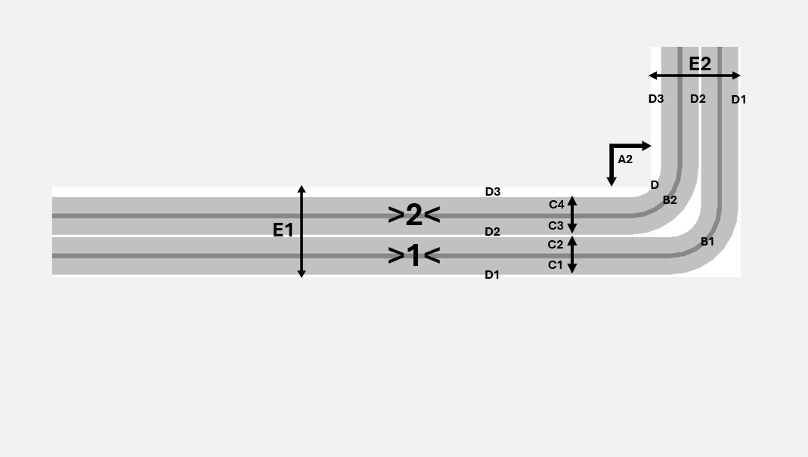 | 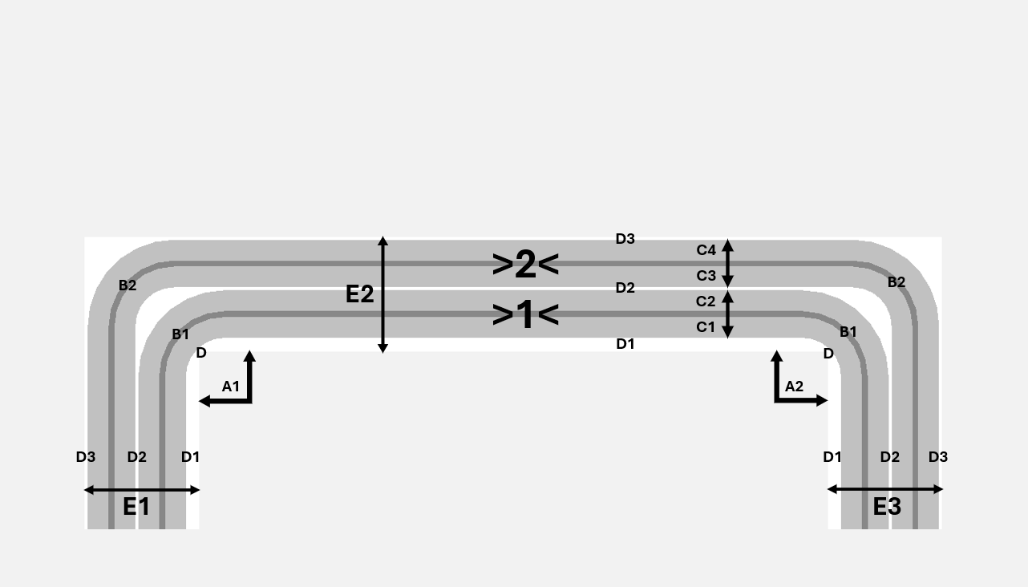
 |  |  |  |  |  |  |  |  |  |  |  |  |  |  |  |  | 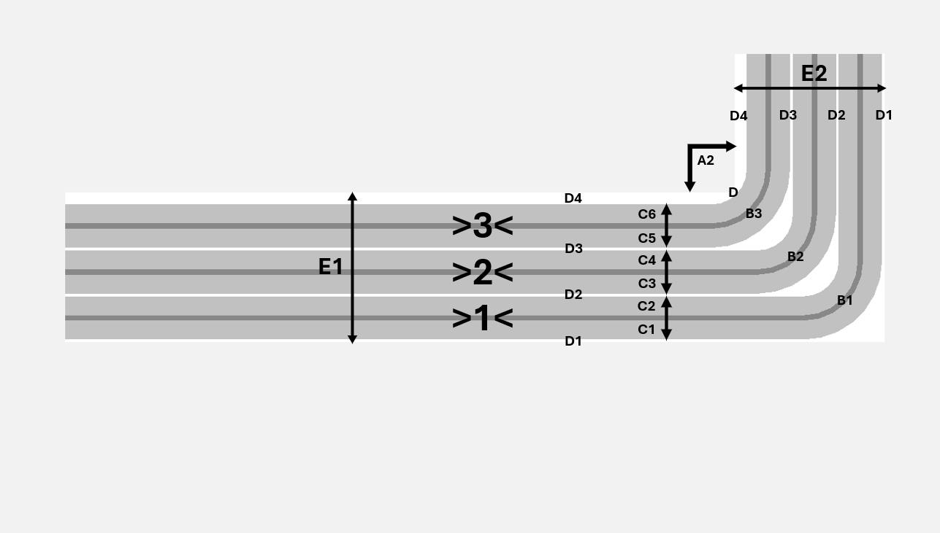 | 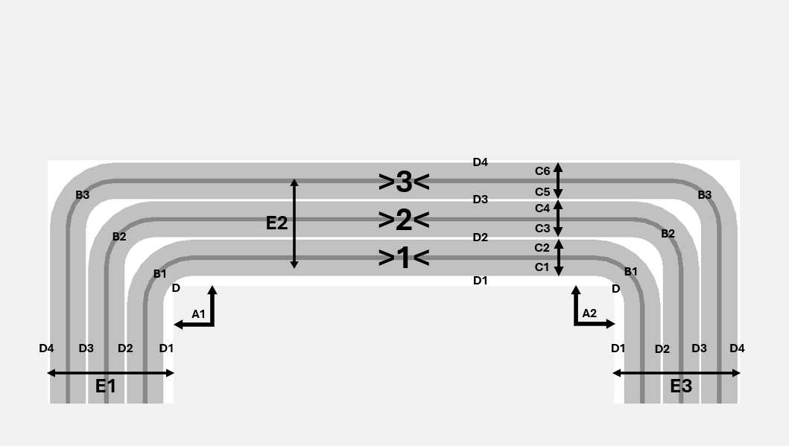
 |  |  |  |  |  |  |  |  |  |  |  |  |  |  |  |  | 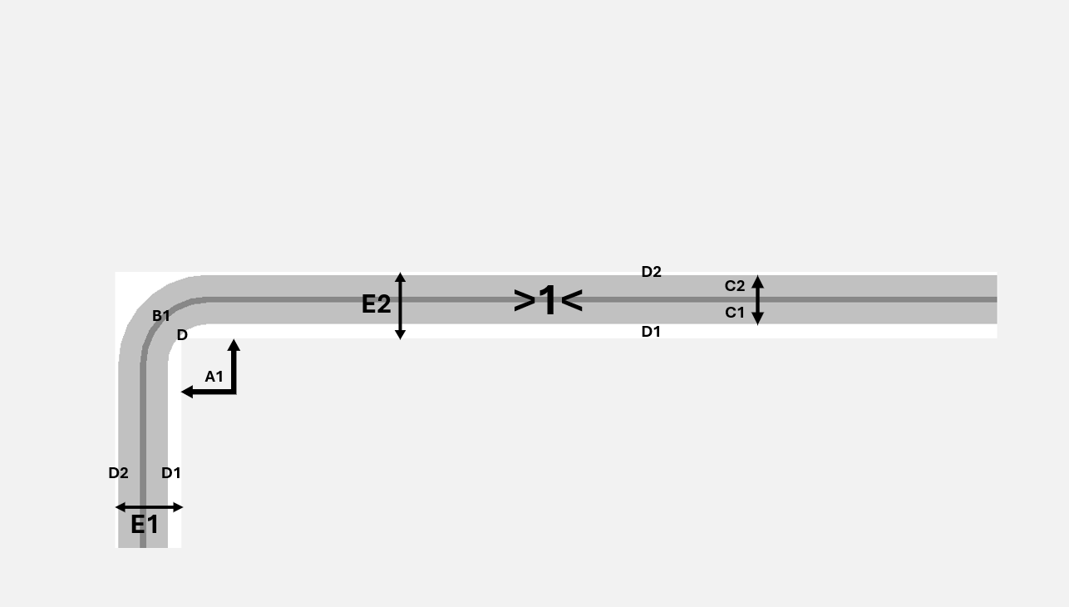 | 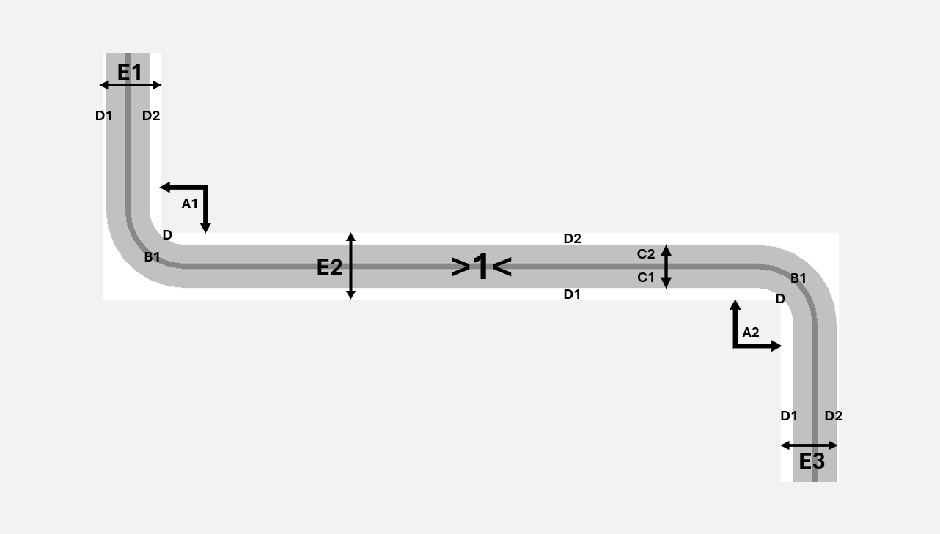
 |  |  |  |  |  |  |  |  |  |  |  |  |  |  |  |  | 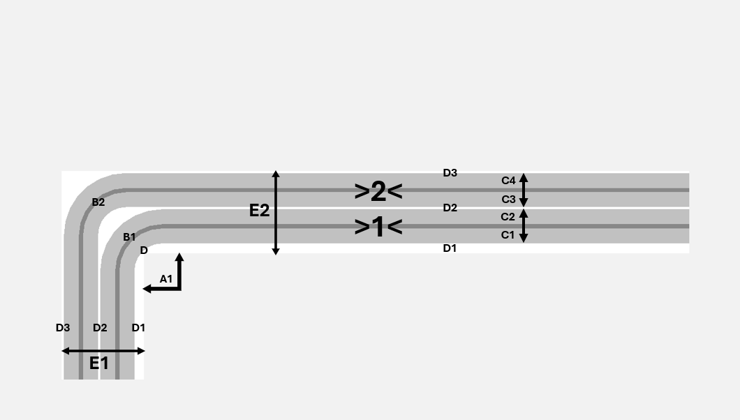 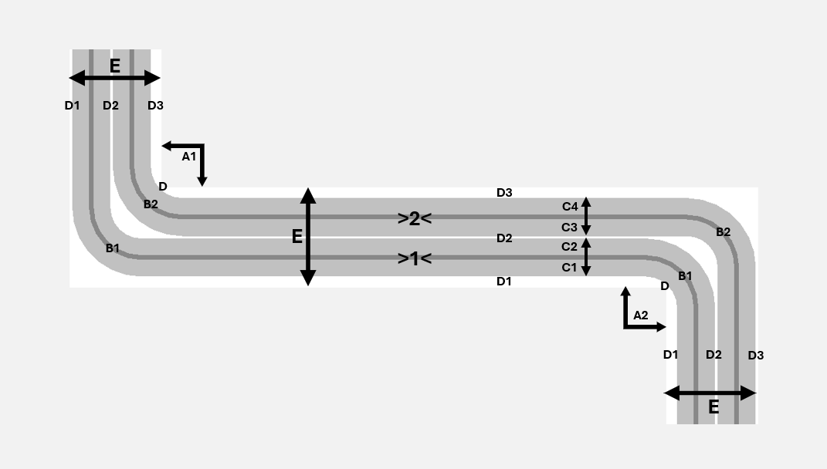
 |  |  |  |  |  |  |  |  |  |  |  |  |  |  |  |  | 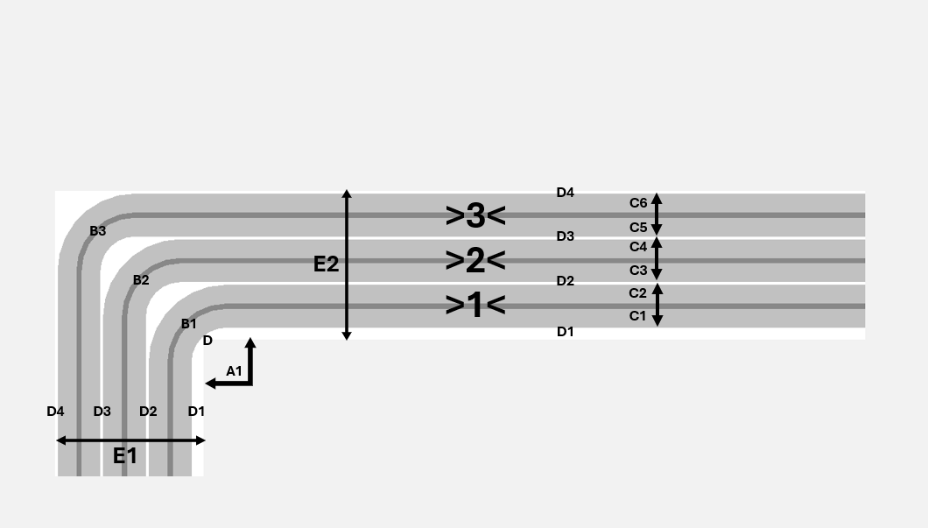 | 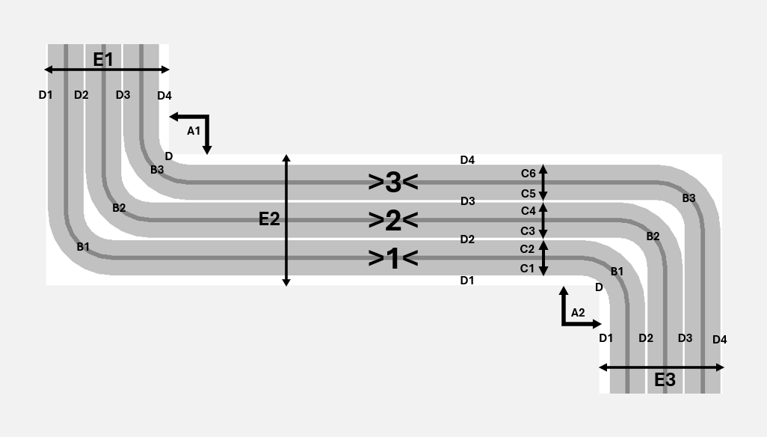
 |  |  |  |  |  |  |  |  |  |  |  |  |  |  |  |  | 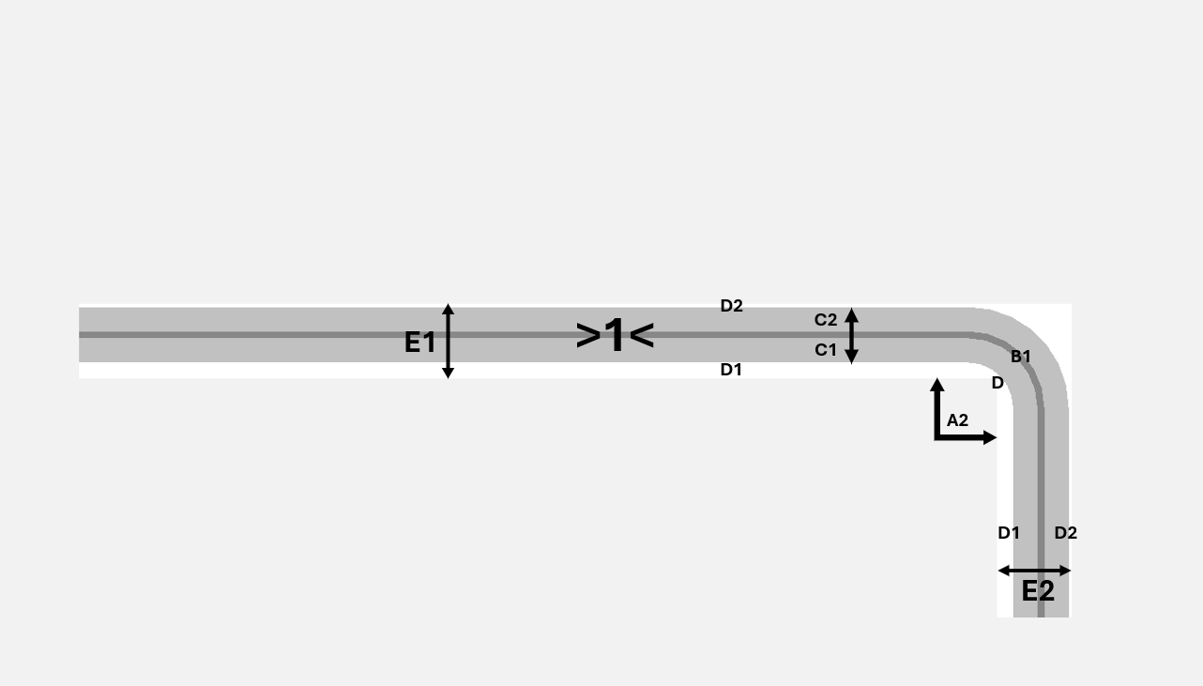 | 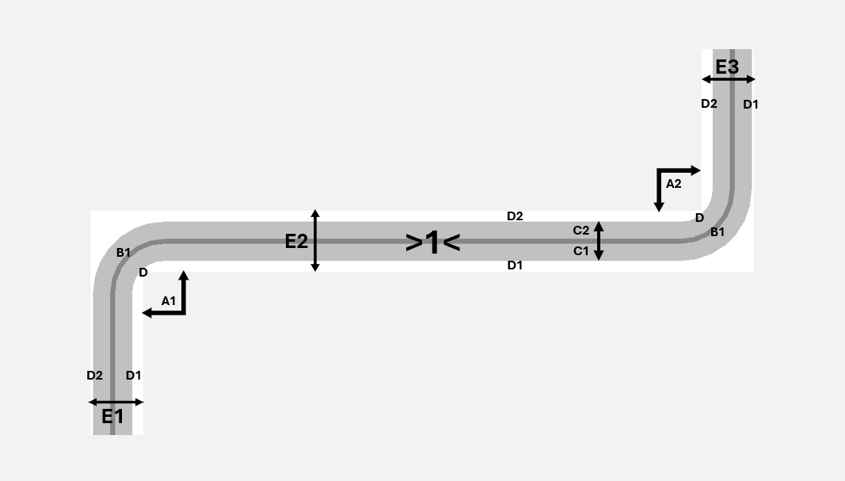
 |  |  |  |  |  |  |  |  |  |  |  |  |  |  |  |  | 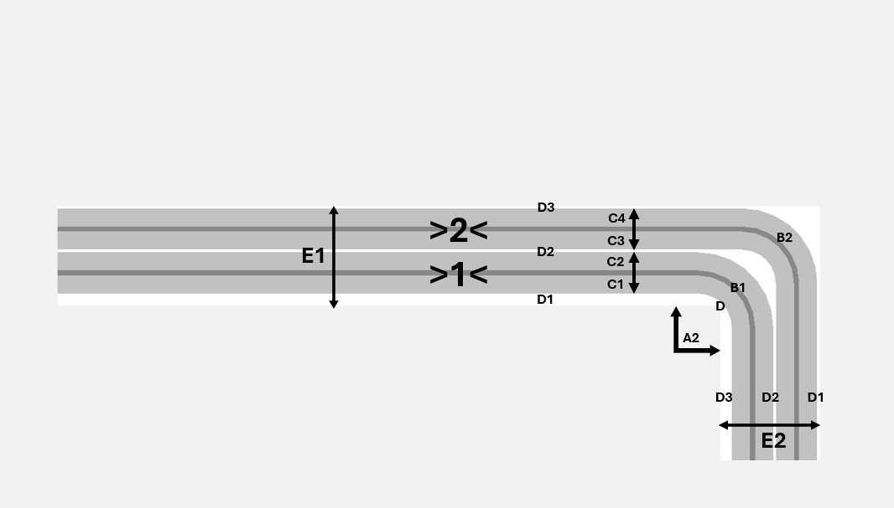 | 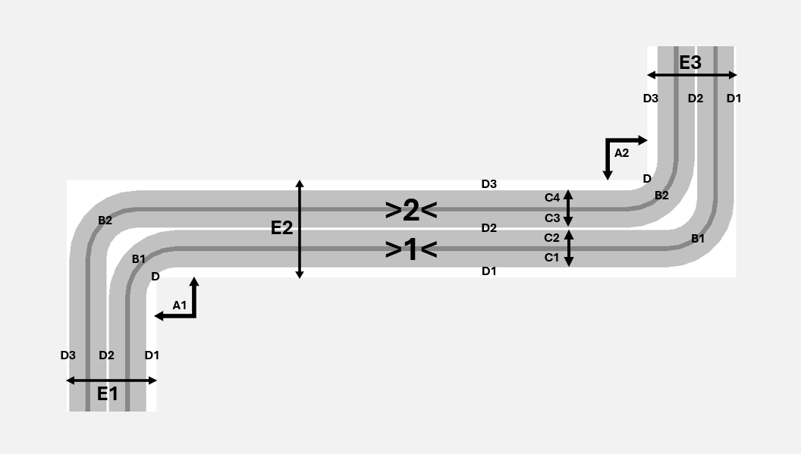
 |  |  |  |  |  |  |  |  |  |  |  |  |  |  |  |  | 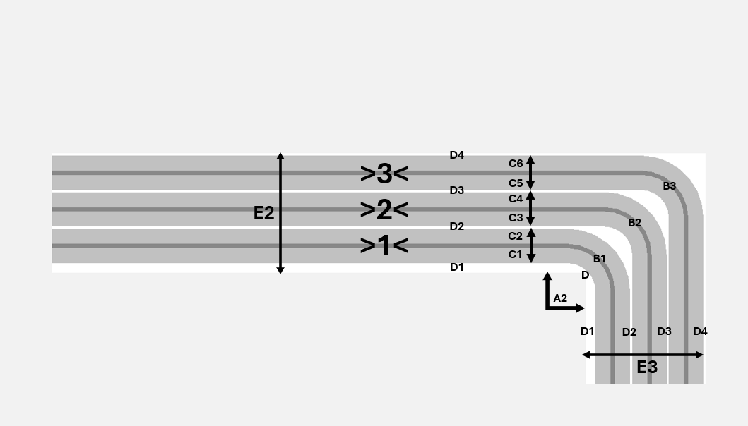 | 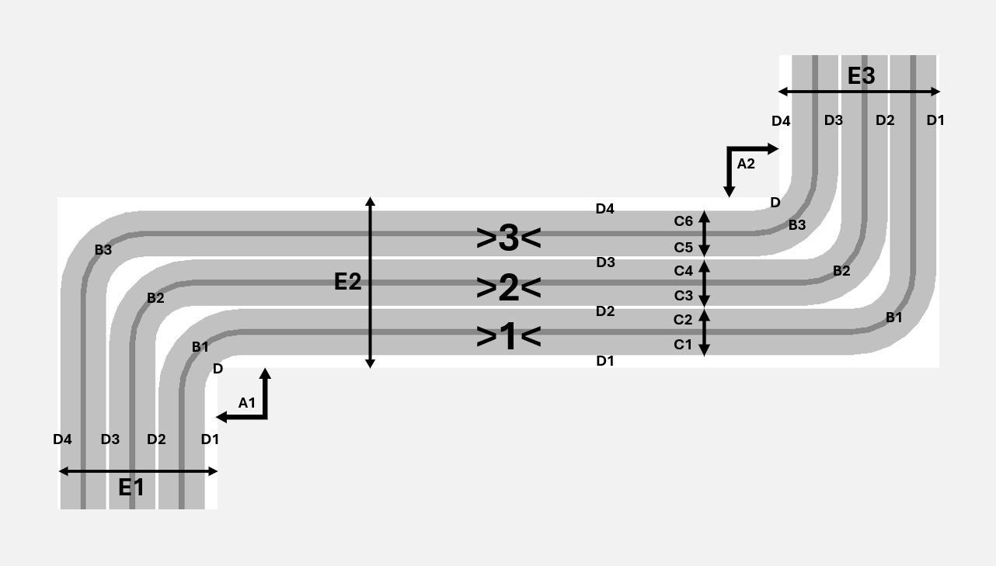
 |  |  |  |  |  |  |  |  |  |  |  |  |  |  |  | 